Dashboard
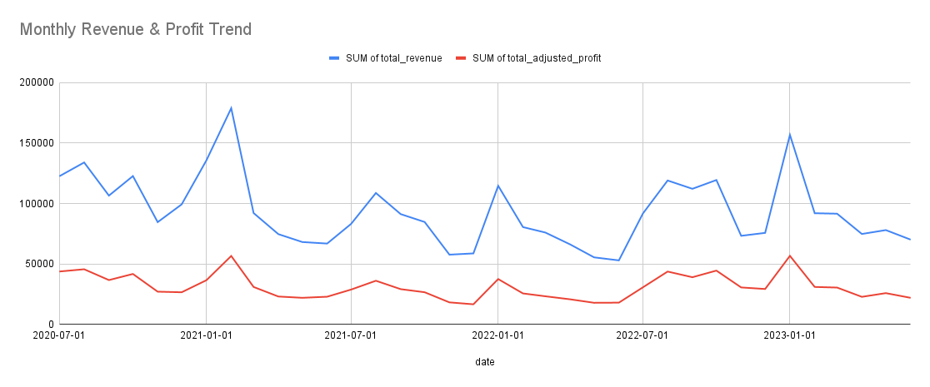
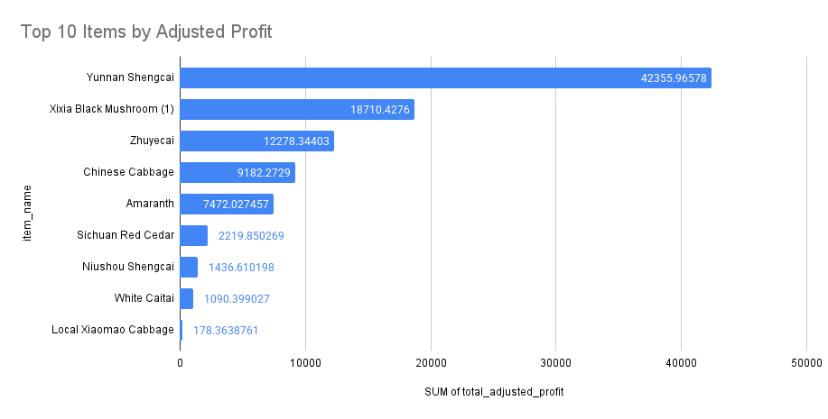

Revenue and profit fluctuate seasonally; peaks suggest demand spikes in some months.
Yunnan Shengcai and Yixia Black Mushroom dominate profits.
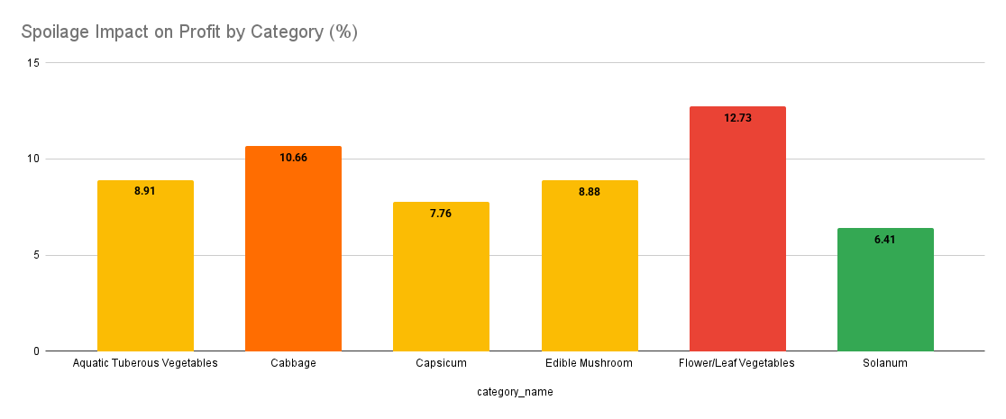
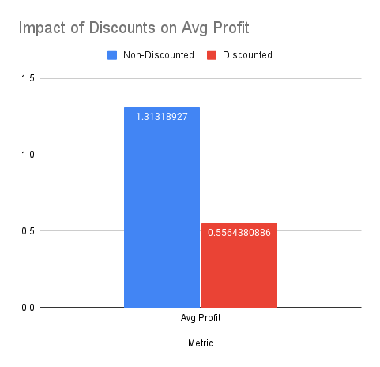
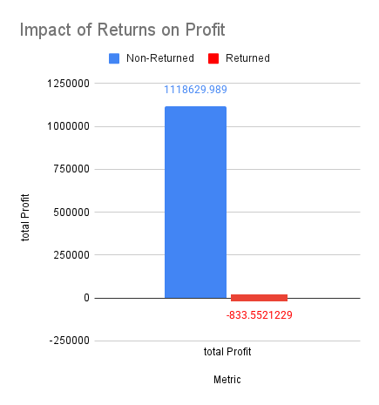

Returns caused direct losses of –833 RMB.

Leaf/Flower Vegetables lose ~12.7% profit to spoilage, the highest impact.
Discounted items earn ~58% less avg profit per unit.

